ST_01001
University | Ecole Centrale de Lyon |  |  |  | Back to BOM |  |  |  | Car # | 81 |  | Part Cost | $7.56
System | Steering System |  | FileLink1 |  |  |  |  |  |  |  |  | Qty | 1
Assembly | Steering Rack |  | FileLink2 |  |  |  |  |  | FileLink1
Part | Rack pinion |  | FileLink3 |  |  |  |  |  | FileLink2 |  |  | Extended Cost | $7.56
P/N Base | ST_01001 |  |  |  |  |  |  |  | FileLink3
Suffix | AA
Details | Bought part, cost as made

ItemOrder | Material | Use | UnitCost | Size1 | Unit1 | Size2 | Unit2 | Area Name | Area | Length | Density | Quantity | Sub Total
10 | Steel, Mild (per kg) | Stock for the pinion | $2.25 | 0.433 | kg |  |  | Circular area diam. 31mm | 7.06E-04 | 0.08 | 7850 | 1 | $0.97
 |  |  |  |  |  |  |  |  |  |  |  | Sub Total | $0.97
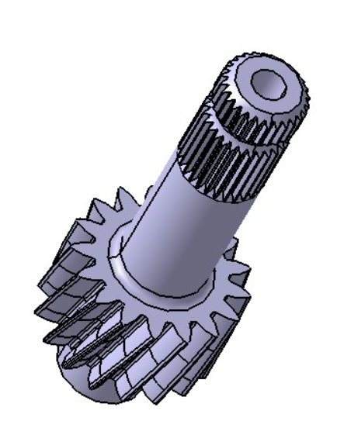
ItemOrder | Process | Use | UnitCost | Unit | Quantity | Multiplier | Mult. Val. | Sub Total
10 | Machining Setup, Install and remove | Installation of the item 10 | $1.30 | Unit | 1 |  |  | $1.30
20 | Machining | Machining the pinion | $0.04 | cm^3 | 12 | Material - Steel | 3 | $1.46
30 | Broach, External | For the splines | $0.50 | cm | 2 |  |  | $1.10
40 | Machining Setup, Change | To machin the other side | $0.65 | Unit | 1 |  |  | $0.65
50 | Machining | Machining of the other side | $0.04 | cm^3 | 5.27 | Material - Steel | 3 | $0.63
60 | Machining Setup, Install and remove | Installation for the water jet cut | $1.30 | Unit | 1 |  |  | $1.30
70 | Waterjet Cut | For the pinion | 0.01 € | cm | 14.45 |  |  | $0.14
 |  |  |  |  |  |  | Sub Total | $6.59

ST_01002
University | Ecole Centrale de Lyon |  |  |  | Back to BOM |  |  |  | Car # | 81 |  | Part Cost | $3.79
System | Steering System |  | FileLink1 |  |  |  |  |  |  |  |  | Qty | 1
Assembly | Steering Rack |  | FileLink2 |  |  |  |  |  | FileLink1
Part | Rack |  | FileLink3 |  |  |  |  |  | FileLink2 |  |  | Extended Cost | $3.79
P/N Base | ST_01002 |  |  |  |  |  |  |  | FileLink3
Suffix | AA
Details | Bought part, cost as made

ItemOrder | Material | Use | UnitCost | Size1 | Unit1 | Size2 | Unit2 | Area Name | Area | Length | Density | Quantity | Sub Total
10 | Steel, Mild (per kg) | Stock for the rack | $2.25 | 0.544 | kg |  |  | Circular area diam. 31mm | 1.77E-04 | 0.39 | 7850 | 1 | $1.22
 |  |  |  |  |  |  |  |  |  |  |  | Sub Total | $1.22

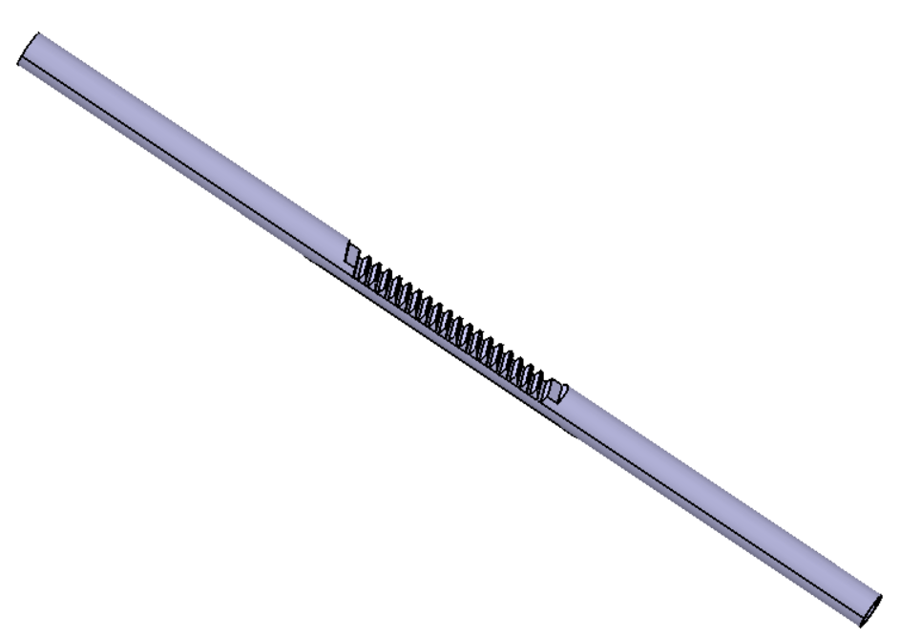
ItemOrder | Process | Use | UnitCost | Unit | Quantity | Multiplier | Mult. Val. | Sub Total
10 | Machining Setup, Install and remove | Installation of the item 10 | $1.30 | Unit | 1 |  |  | $1.30
20 | Machining | Machining one end | $0.04 | cm^3 | 1 | Material - Steel | 3 | $0.11
30 | Threading, External (machining) | Thread at one end | $0.10 | cm | 2 |  |  | $0.20
40 | Machining Setup, Change | To machin the other end | $0.65 | Unit | 1 |  |  | $0.65 |  |  |  |  |  | wwww
50 | Machining | Machining one end | $0.04 | cm^3 | 1 | Material - Steel | 3 | $0.11
60 | Threading, External (machining) | Thread at one end | $0.10 | cm | 2 |  |  | $0.20

Manque les dents à faire

 |  |  |  |  |  |  | Sub Total | $2.57

ST_01003
University | Ecole Centrale de Lyon |  |  |  | Back to BOM |  |  |  | Car # | 81 |  | Part Cost | $2.54
System | Steering System |  | FileLink1 |  |  |  |  |  |  |  |  | Qty | 1
Assembly | Steering Rack |  | FileLink2 |  |  |  |  |  | FileLink1
Part | Upper Pinion housing |  | FileLink3 |  |  |  |  |  | FileLink2 |  |  | Extended Cost | $2.54
P/N Base | ST_01003 |  |  |  |  |  |  |  | FileLink3
Suffix | AA
Details | Bought part, cost as made

ItemOrder | Material | Use | UnitCost | Size1 | Unit1 | Size2 | Unit2 | Area Name | Area | Length | Density | Quantity | Sub Total
10 | Aluminum, Normal | Stock for the part | $4.20 | 0.055 | kg |  |  | Rectangular area | 2.25E-03 | 0.01 | 2712 | 1 | $0.23
 |  |  |  |  |  |  |  |  |  |  |  | Sub Total | $0.23
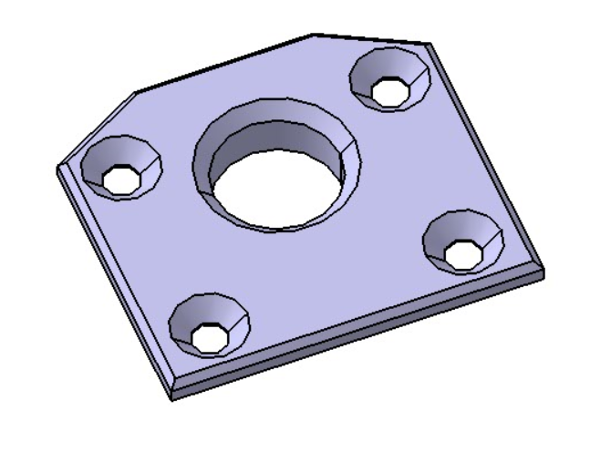
ItemOrder | Process | Use | UnitCost | Unit | Quantity | Multiplier | Mult. Val. | Sub Total
10 | Machining Setup, Install and remove | Installation of the item 10 | $1.30 | Unit | 1 |  |  | $1.30
20 | Machining | Machining of the first face | $0.04 | cm^3 | 8 | Material - Aluminium | 1 | $0.30
30 | Machining Setup, Change | To machin the other side | $0.65 | Unit | 1 |  |  | $0.65
40 | Machining | Machining of the second face | $0.04 | cm^3 | 1.5 | Material - Aluminium | 1 | $0.06
 |  |  |  |  |  |  | Sub Total | $2.31
 | Manque peinture

ST_01004
University | Ecole Centrale de Lyon |  |  |  | Back to BOM |  |  |  | Car # | 81 |  | Part Cost | $6.17
System | Steering System |  | FileLink1 |  |  |  |  |  |  |  |  | Qty | 1
Assembly | Steering Rack |  | FileLink2 |  |  |  |  |  | FileLink1
Part | Lower Pinion housing |  | FileLink3 |  |  |  |  |  | FileLink2 |  |  | Extended Cost | $6.17
P/N Base | ST_01004 |  |  |  |  |  |  |  | FileLink3
Suffix | AA
Details | Bought part, cost as made

ItemOrder | Material | Use | UnitCost | Size1 | Unit1 | Size2 | Unit2 | Area Name | Area | Length | Density | Quantity | Sub Total
10 | Aluminum, Normal | Stock for the part | $4.20 | 0.231 | kg |  |  | Rectangular area | 2.50E-03 | 0.03 | 2712 | 1 | $0.97
 |  |  |  |  |  |  |  |  |  |  |  | Sub Total | $0.97

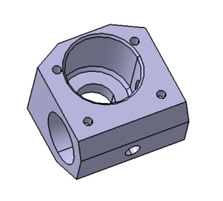
ItemOrder | Process | Use | UnitCost | Unit | Quantity | Multiplier | Mult. Val. | Sub Total
10 | Machining Setup, Install and remove | Installation of the item 10 | $1.30 | Unit | 1 |  |  | $1.30
20 | Machining | Machining of the first face | $0.04 | cm^3 | 25 | Material - Aluminium | 1 | $1.00
30 | Threading, Internal (machining) | For the 4 holes | $0.10 | cm | 6 |  |  | $0.60
40 | Machining Setup, Change | To machin the other side | $0.65 | Unit | 1 |  |  | $0.65
50 | Machining | Machining of the second face | $0.04 | cm^3 | 21.3192903 | Material - Aluminium | 1 | $0.85
60 | Machining Setup, Change | To machin the other side | $0.65 | Unit | 1 |  |  | $0.65
70 | Machining | Machining of a beveal | $0.04 | cm^3 | 3.75 | Material - Aluminium | 1 | $0.15
 |  |  |  |  |  |  | Sub Total | $5.20
 | Manque Peinture

ST_01005
University | Ecole Centrale de Lyon |  |  |  | Back to BOM |  |  |  | Car # | 81 |  | Part Cost | $2.65
System | Steering System |  | FileLink1 |  |  |  |  |  |  |  |  | Qty | 2
Assembly | Steering Rack |  | FileLink2 |  |  |  |  |  | FileLink1
Part | Rack housing support |  | FileLink3 |  |  |  |  |  | FileLink2 |  |  | Extended Cost | $5.29
P/N Base | ST_01005 |  |  |  |  |  |  |  | FileLink3
Suffix | AA
Details | Bought part, cost as made

ItemOrder | Material | Use | UnitCost | Size1 | Unit1 | Size2 | Unit2 | Area Name | Area | Length | Density | Quantity | Sub Total
10 | Aluminum, Normal | Stock for the part | $4.20 | 0.088 | kg |  |  | Circular area 33mm diameter | 8.55E-04 | 0.04 | 2712 | 2 | $0.74
 |  |  |  |  |  |  |  |  |  |  |  | Sub Total | $0.74
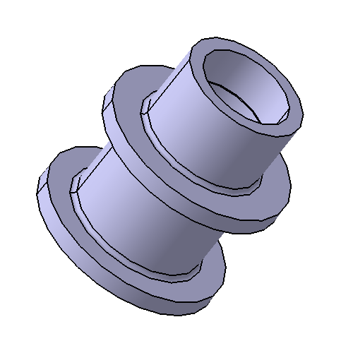
ItemOrder | Process | Use | UnitCost | Unit | Quantity | Multiplier | Mult. Val. | Sub Total
10 | Machining Setup, Install and remove | Installation of the item 10 | $1.30 | Unit | 0.5 | 2 parts made from a single setup |  | $0.65
20 | Machining | First machining | $0.04 | cm^3 | 21 | Material - Aluminium | 1 | $0.83
30 | Machining Setup, Change | To machin the other side | $0.65 | Unit | 0.5 |  |  | $0.33
40 | Machining | for the other side | $0.04 | cm^3 | 2.565 | Material - Aluminium | 1 | $0.10

 |  |  |  |  |  |  | Sub Total | $1.91
 | Manque peinture

ST_01006
University | Ecole Centrale de Lyon |  |  |  | Back to BOM |  |  |  | Car # | 81 |  | Part Cost | $2.47
System | Steering System |  | FileLink1 |  |  |  |  |  |  |  |  | Qty | 2
Assembly | Steering Rack |  | FileLink2 |  |  |  |  |  | FileLink1
Part | Tie rod Braces |  | FileLink3 |  |  |  |  |  | FileLink2 |  |  | Extended Cost | $4.95
P/N Base | ST_01005 |  |  |  |  |  |  |  | FileLink3
Suffix | AA
Details | Bought part, cost as made

ItemOrder | Material | Use | UnitCost | Size1 | Unit1 | Size2 | Unit2 | Area Name | Area | Length | Density | Quantity | Sub Total
10 | Aluminum, Normal | Stock for the part | $4.20 | 0.062 | kg |  |  | Circular area 26mm diameter | 5.31E-04 | 0.04 | 2712 | 2 | $0.52
 |  |  |  |  |  |  |  |  |  |  |  | Sub Total | $0.52
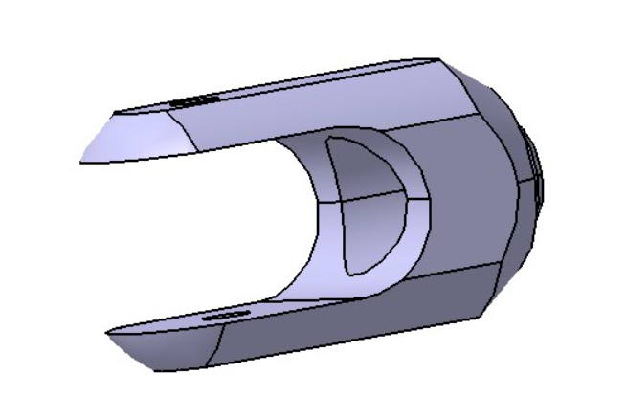
ItemOrder | Process | Use | UnitCost | Unit | Quantity | Multiplier | Mult. Val. | Sub Total
10 | Machining Setup, Install and remove | Installation of the item 10 | $1.30 | Unit | 0.5 | 2 parts made from a single setup |  | $0.65
20 | Machining | First machining | $0.04 | cm^3 | 5 | Material - Aluminium | 1 | $0.19
30 | Machining Setup, Change | To machin the other side | $0.65 | Unit | 0.5 |  |  | $0.33
40 | Machining | Second machining | $0.04 | cm^3 | 4 | Material - Aluminium | 1 | $0.14
50 | Machining Setup, Install and remove | Installation on a CNC machine | $1.30 | Unit | 0.5 | 2 parts made from a single setup |  | $0.65
60 | Machining | For the planes and the center | $0.04 | cm^3 |  | Material - Aluminium | 1 | $-

 |  |  |  |  |  |  | Sub Total | $1.95

 | Manque peinture

